Sheet 2
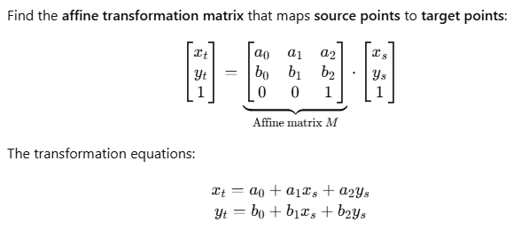
 |  |  | Source x (E) | Source y (N) |  |  | Target x (E) |  |  | Target y (N)
 |  | 1 | 644005.7760 | 488591.5266 |  |  | 643999.131 |  |  | 488507.631
 |  | 1 | 650091.4286 | 489757.2155 |  |  | 650080.344 |  |  | 489696.262
 |  | 1 | 657073.5145 | 490392.2533 |  |  | 657059.985 |  |  | 490357.627
 |  | 1 | 662336.8505 | 491852.4517 |  |  | 662317.777 |  |  | 491837.665
X | = | 1 | 666244.1401 | 486785.4095 |  | Yx = | 666244.148 |  | Yy = | 486785.394
9x3 |  | 1 | 675285.0151 | 485580.3277 |  |  | 675289.504 |  |  | 485614.417
 |  | 1 | 682155.9446 | 484719.7404 |  |  | 682163.630 |  |  | 484779.748
 |  | 1 | 689869.8368 | 483847.3137 |  |  | 689880.757 |  |  | 483936.419
 |  | 1 | 696855.1269 | 482408.7643 |  |  | 696871.423 |  |  | 482524.223

 |  | 1.000 | 1.000 | 1.000 | 1.000 | 1.000 | 1.000 | 1.000 | 1.000 | 1.000
XT | = | 644005.776 | 650091.429 | 657073.515 | 662336.851 | 666244.140 | 675285.015 | 682155.945 | 689869.837 | 696855.127
3x9 |  | 488591.527 | 489757.216 | 490392.253 | 491852.452 | 486785.410 | 485580.328 | 484719.740 | 483847.314 | 482408.764

 |  | 15448.20652 | -0.0042162452772 | -0.025920672716
(XTX)-1 | = | -0.0042162452772 | 1.4106089199E-09 | 6.7174389061E-09
3x3 |  | -0.025920672716 | 6.7174389061E-09 | 4.3983488726E-08

 |  | 68.299156087 | 12.425111588 | -33.473682089 | -93.514522468 | 21.352528712 | 14.470513125 | 7.8079908174 | -2.1017837807 | 5.7346880081
(XTX)-1XT | = | -2.572125515E-05 | -9.3063353395E-06 | 4.8084849352E-06 | 2.2041787188E-05 | -6.4841016628E-06 | -1.8260261124E-06 | 2.0852257172E-06 | 7.1060378044E-06 | 7.2961826197E-06
3x9 |  | -0.00010464335855 | -1.2492294413E-05 | 6.2340618975E-05 | 0.00016192137686 | -3.469783744E-05 | -2.6970013734E-05 | -1.8666596396E-05 | -5.2213667382E-06 | -2.1570528567E-05

 |  | A0 |  |  |  | 1840.5580692342
A | = | A1 | = | (XTX)-1XTYx | = | 0.9999928891
3x1 |  | A2 |  |  |  | -0.0037712971

 |  | B0 |  |  |  | -2509.1556760874
B | = | B1 | = | (XTX)-1XTYy | = | 0.0037712974
3x1 |  | B2 |  |  |  | 0.9999928826

